1. Title Page
Instacart (IC)

Project Name: Instacart Grocery Basket Analysis
Date: 2021
Analyst Name: Cleber Juliano F

Contents:
Population Flow
Consistency checks
Wrangling steps
Column derivations
Visualizations
Recommendations

Objective
Instacart, an online grocery store that operates through an app. Instacart already has very good sales, but they want to uncover more information about their sales patterns. My task, as an analyst, is to perform an initial data and exploratory analysis of some of their data in order to derive insights and suggest strategies for better segmentation based on the provided criteria.

Context
The Instacart stakeholders are most interested in the variety of customers in their database along with their purchasing behaviors. They assume they can't target everyone using the same methods, and they’re considering a targeted marketing strategy. They want to target different customers with applicable marketing campaigns to see whether they have an effect on the sale of their products. Your analysis will inform what this strategy might look like to ensure Instacart targets the right customer profiles with the appropriate products. The stakeholders would like to be able to answer the following key questions:

 | Key Questions
 | 1 - The sales team needs to know what the busiest days of the week and hours of the day are (i.e., the days and times with the most orders) in order to schedule ads at times when there are fewer orders. 2 - They also want to know whether there are particular times of the day when people spend the most money, as this might inform the type of products they advertise at these times. 3 - Instacart has a lot of products with different price tags. Marketing and sales want to use simpler price range groupings to help direct their efforts. 4 - Are there certain types of products that are more popular than others? The marketing and sales teams want to know which departments have the highest frequency of product orders. The marketing and sales teams are particularly interested in the different types of customers in their system and how their ordering behaviors differ. For example: 5 - What’s the distribution among users in regards to their brand loyalty (i.e., how often do they return to Instacart)? 6 - Are there differences in ordering habits based on a customer’s loyalty status? 7 - Are there differences in ordering habits based on a customer’s region? 8 - Is there a connection between age and family status in terms of ordering habits? 9 - What different classifications does the demographic information suggest? Age? Income? Certain types of goods? Family status? 10 - What differences can you find in ordering habits of different customer profiles? Consider the price of orders, the frequency of orders, the products customers are ordering, and anything else you can think

Data
CareerFoundry Data Sets: ● Customers Data Set Instacart Data Sets: ● Data Sets ● Data Dictionary ● Citation (required in your final report): “The Instacart Online Grocery Shopping Dataset 2017”, Accessed from https://www.instacart.com/datasets/grocery-shopping-2017 on <date>.

2. Population Flow
Population flow

Orders_products_all
Orders_products_combined
Orders_products_merged

Total: 30356128
Total: 30356421
Total: 30356128

1.) The grey boxes in the first row of the population flow represent the original data sets as they were when you downloaded them. In the Total fields you need to add the count of the rows when you imported the data set into Jupyter.
2.) The second row of boxes (coloured) represents the data sets after you manipulated them, e.g., removed missing values and duplicates. In the Total fields you need to add the count of the rows after conducting these operations. This offers a visual oveview of how the data flows throughout the data consistency checks.
3.) The third row, where also the arrows are coloured, represents the merges you performed between the datasets. In the Total fields you need to add the count of the rows in the merged datasets, so that you end up with the final dataset (in the red box). Keep in mind the final dataset should be without exclusions (based on the exclusion flag).

3. Consistency checks
Consistency checks

Dataset | Column | Type (Missing, duplicate values) | Comment/Reason
products | product_name | Missing | 16 missing values were identified in the "product_name" column and removed from the analysis.
products | product_name | Duplicates | 5 duplicated values were identified in the "product_name" column and removed from the analysis.
orders | days_since_prior_order | Missing | 206209 missing values were identified in the "days_since_prior_order" column and removed from the analysis.
orders_products_combined | Unnamed: 0 | Duplicates | 1 duplicated sequencial value were identified and removed from the analysis.
customers | first_name | Missing | 11259 missing values were identified in the "first_name" column and removed from the analysis.

4. Wrangling steps
Wrangling steps

Dataset | Columns | Type (Changed, Renamed, Removed) | Comment/Reason
orders | eval_set | Removed | Not relevant for analysis.
orders | order_dow | Renamed | From 'order_dow' to 'orders_day_of_week' - changed for elucidation.
orders | order_id | Changed | Changed the column's type defining it as a string because it is not a continuous data type used for calculations.
orders | user_id | Changed | Changed the column's type defining it as an 'int64' because it is not a continuous data type used for calculations.
orders | order_hour_of_day | Renamed | From 'order_hour_of_day' to 'hour_of_the_day' - changed for elucidation.
customers | first_name, surname, gender, state, age, family_status | Renamed | Renamed for standardization.
ords_prods_cust_PII | first_name, surname | Removed | Removed for privacy reasons - Personally Identifiable Information (PII)

5. Column derivations
In this tab you should add tables below that the frequences of flags/label variables that you produced after deriving them. NB: don't do this for continuous variables, only for flags.
Column derivations and aggregations

Dataset | New column | Column/s it was derived from | Conditions
orders_products_merged | _merge | None | New column created to indicate that the record has been merged or not.
orders_products_merged | price_range_loc | prices | New column created to group the range of products prince in 3 categories, which are "Mid-range, Low-range and High-range" product.
orders_products_merged | busiest day | order_dow | New column created to group the "busiest, least busy and regular busy" day of the week.
orders_products_merged | busiest_period_of_day | order_hour_of_day | New column created to group the periods of the day when there are the "Most, Average and Fewest" orders along the way.
orders_products_merged | max_order | user_id, order_number | New column created to calculate hte max orders per user.
orders_products_merged | loyalty_flag | max_order | New column created to identify types of customers as "Regular, Loyal, New Customer" following the rules as Loyal customer = max_order > 40; Regular customer = max_order <= 40 and max order > 10; New customer = max_order <= 10
orders_products_merged | spenders_flag | user_id, prices | New column created to identify customers who are "Low and High Spender" following the rules as Low Spender = average price < 10 and High Spender = average price >= 10.
orders_products_merged | frequency_flag | user_id, days_since_prior_order | New column created to identify how frequent are the customers. The following rules apply to identify them: If customer_frequency > 20 = Non-frequent customer If customer_frequency > 10 and <= 20 = Regular customer If customer_frequency <= 10 = Frequent customer
ords_prods_cust_PII | Region | State | New column derived from the states according to the Wikipedia link.
ords_prods_cust_PII | exclusion_flag | max_order | New column created to identify customers who don't generate much revenue following the rules - low activity customer = max_order < 5 and regular customer = max_order >= 5.
ords_prods_non_low_act_cust | department | department_id | New column created to describe the name of each department based on the "department_id".
ords_prods_non_low_act_cust | age_range | age | New column created to group age ranges.
ords_prods_non_low_act_cust | income_range | income | New column created to group income ranges.
ords_prods_non_low_act_cust | day_of_week | order_dow | New column created from the following codes to describe the day of the week. 0 = 'Saturday' 1 = 'Sunday' 2 = 'Monday' 3 = 'Tuesday' 4 = 'Wednesday' 5 = 'Thursday' 6 = 'Friday'

6. Visualizations
In this tab you should include all the visualtions from Exercises 4.9 and 4.10, alongside the questions from the project brief that they answer. Include any commentary on the relationship between different variables.
Visualisations

Key Questions
1 - The sales team needs to know what the busiest days of the week and hours of the day are (i.e., the days and times with the most orders) in order to schedule ads at times when there are fewer orders.

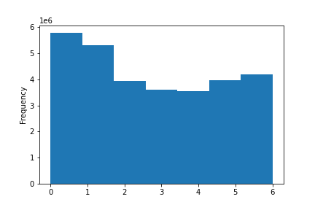

 | Busiest day of the week | Commentary |  |  | Busiest hour of the day |  |  | Commentary
 |  | The businest day of the week is Saturday following by Sunday. |  |  |  |  |  | The businest hours of the day are between 10 am and 3pm. At dawn, during 0 and 5 am, these are the least busiest hours.

0 = 'Saturday' 1 = 'Sunday' 2 = 'Monday' 3 = 'Tuesday' 4 = 'Wednesday' 5 = 'Thursday' 6 = 'Friday'

2 - They also want to know whether there are particular times of the day when people spend the most money, as this might inform the type of products they advertise at these times.

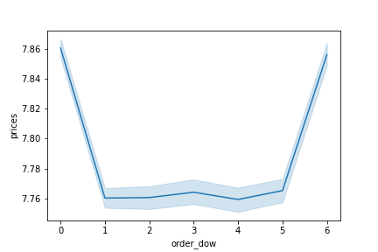
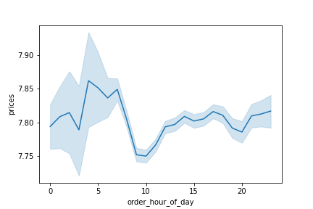
 | Hour when customers spend the most money | Commentary |  |  | Day of the week when customers spend the most money
 |  | At dawn, during 0 and 5 am, the least busiest hours are the particular times of the day when people spend the most money, when they buy the most expensive products. |  |  |  |  |  | Commentary
 |  |  |  |  |  |  |  | Friday and Saturday are the days of the week when the products with higher prices are sold.

3 - Instacart has a lot of products with different price tags. Marketing and sales want to use simpler price range groupings to help direct their efforts.

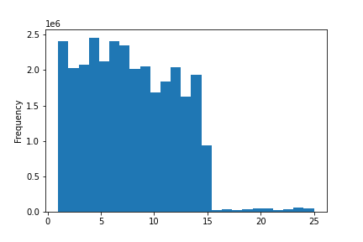
 | Orders (frequency) in a Range of Prices (0-25) | Commentary |  |  |  |  |  | Commentary
 |  | The prices of the most of the orders are from a range between 1 until 25. There are very few orders which the products' prices are higher than 15. |  |  | Price Tag |  |  | 67% of the products' prices are > 5 and <= 15. 33% of the product's prices are <= 5.
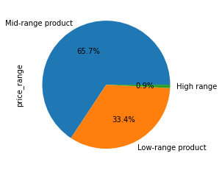

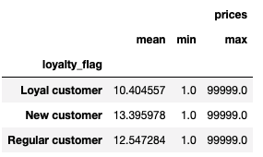

 |  |  |  | New customers buy products with the higher mean prices (13.39) compared to Loyal (10.40) and Regular customers (12.54).

4 - Are there certain types of products that are more popular than others? The marketing and sales teams want to know which departments have the highest frequency of product orders.

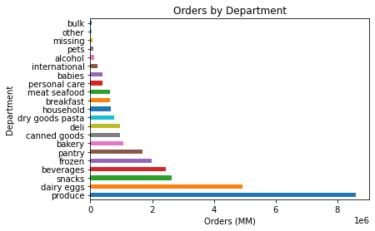
 |  |  |  | Commentary
 |  |  |  | Produce and dairy eggs are the departments with the highest frequency of product orders.

The marketing and sales teams are particularly interested in the different types of customers in their system and how their ordering behaviors differ. For example: 5 - What’s the distribution among users in regards to their brand loyalty (i.e., how often do they return to Instacart)?
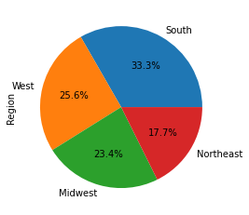
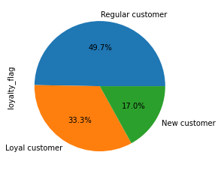
 |  | Commentary |  |  |  |  | Commentary
 |  | Regular customers are the top brand loyalty (49.7%) are those more frequent who have the number of orders between > 10 and <= 40. Loyal customers represent the middle-group with 33.3% of orders placed which the number is greater than 40 orders, and the New customers represent the third group (17%) with less than or igual 10 orders placed. |  |  |  |  | South (33.3%) is the region where are the highest frequency of product orders, following by West (25.6%) and Midwest (23.4%).

6 - Are there differences in ordering habits based on a customer’s loyalty status?

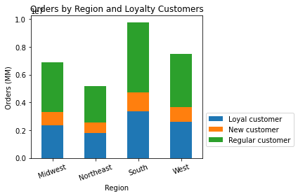
 |  |  | Commentary
 |  |  | The most frequent customers, the regulars, are those from the South and the West.

7 - Are there differences in ordering habits based on a customer’s region?
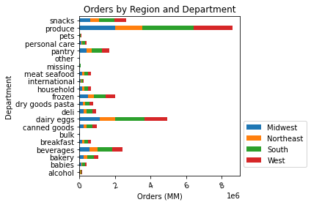
 |  |  |  |  |  | Commentary
 |  |  |  |  |  | Produce, dairy eggs and beverages are the products with the higher number of orders. South and West are the regions where there are the highest number of orders placed.

8 - Is there a connection between age and family status in terms of ordering habits?
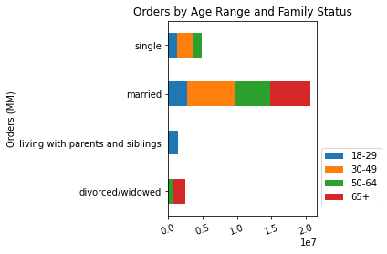
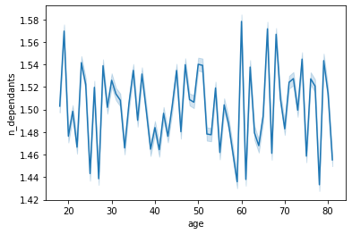
 |  |  |  |  |  |  |  | Commentary
 |  |  |  |  |  |  |  | Customers married spend more, specially those between 30 and 49 years old.
 |  |  |  |  |  |  |  | Customers in the range of 20' and 60's are those who have more dependants.

9 - What different classifications does the demographic information suggest? Age? Income? Certain types of goods? Family status?

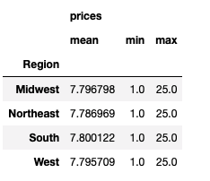
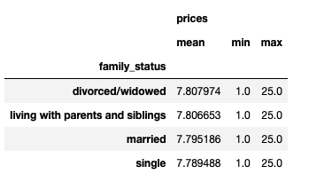
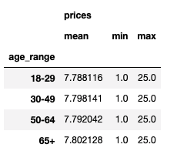
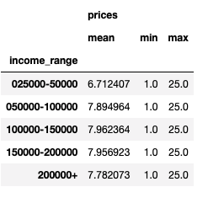
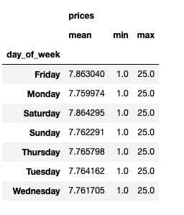

 | Commentary
 | The highest mean price is in the South. (7.80) Divorced/widowed and customers living with parents and siblings buy products with the highest mean price. (7.80) Customers with more than 65+ years old are those who buy products with the highest mean price. (7.80) Customers with the income range between 100000-150000 buy products with the highest mean price. (7.96) Friday and Saturday are the days of the week when the most expensive produts are sold. (7.86)

10 - What differences can you find in ordering habits of different customer profiles? Consider the price of orders, the frequency of orders, the products customers are ordering, and anything else you can think

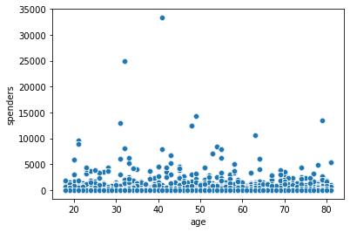
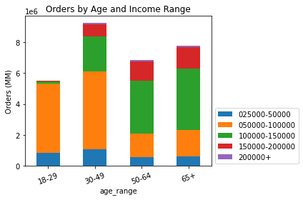
 |  |  |  |  |  |  |  | Commentary
 |  |  |  |  |  |  |  | Customers between 30-49 years old who have an income range between 50000-100000 are those more frequent ones. And the customers between 30' and 40' are the highest spenders.

7. Recommendations
Recommendations

In this tab you should include any recommendations you would made to Instcart in terms of their marketing strategy based on the questions posed in the brief. Every key question has been covered in the Tasks of the Exercises - here you need to add an item - a visualisation or table/crosstable that is showing the answer in the data, acompanied by a comment from you. Please, list the questions below and add the answer underneath.

Questions & Answers
1 - The sales team needs to know what the busiest days of the week and hours of the day are (i.e., the days and times with the most orders) in order to schedule ads at times when there are fewer orders.

 | Busiest day of the week |  |  |  | Busiest hour of the day |  |  |  | Commentary
 |  |  |  |  |  |  |  |  | The businest day of the week is Saturday following by Sunday.
 |  |  |  |  |  |  |  |  | The businest hours of the day are between 10 am and 3pm. At dawn, during 0 and 5 am, these are the least busiest hours.

 |  |  |  |  |  |  |  |  | Recommendations
 |  |  |  |  |  |  |  |  | - Confirm how is the customer experience during the peak hours. - Check how is the employess motivation working hard during the weekends.

0 = 'Saturday' 1 = 'Sunday' 2 = 'Monday' 3 = 'Tuesday' 4 = 'Wednesday' 5 = 'Thursday' 6 = 'Friday'

2 - They also want to know whether there are particular times of the day when people spend the most money, as this might inform the type of products they advertise at these times.

 | Hour when customers spend the most money | Commentary |  |  |  | Day of the week when customers spend the most money
 |  | At dawn, during 0 and 5 am, the least busiest hours are the particular times of the day when people spend the most money, when they buy the most expensive products.
 |  |  |  |  |  |  |  |  |  |  | Recommendations
 |  | Commentary |  |  |  |  |  |  |  |  | - Identify what produts have been sold the most at down, on Fridays and Saturdays and produce a strategy to sell more related products.
 |  | Friday and Saturday are the days of the week when the products with higher prices are sold.

3 - Instacart has a lot of products with different price tags. Marketing and sales want to use simpler price range groupings to help direct their efforts.

 | Orders (frequency) in a Range of Prices (0-25) | Commentary |  |  |  |  |  |  |  |  | Commentary
 |  | The prices of the most of the orders are from a range between 1 until 25. There are very few orders which the products' prices are higher than 15. |  |  |  | Price Tag |  |  |  |  | 67% of the products' prices are > 5 and <= 15. 33% of the product's prices are <= 5.

 |  |  |  |  |  |  |  |  |  |  | Recommendations
 |  |  |  |  |  |  |  |  |  |  | - Check how relevant are to keep selling products with prices higher than 15. If so, recommend Instacart to invest in ads to sell more these group of products because they return more over the investments. - Position "Low-range product" closer to "High-range products" to promote selling increasing.

 |  | New customers buy products with the higher mean prices (13.39) compared to Loyal (10.40) and Regular customers (12.54).

4 - Are there certain types of products that are more popular than others? The marketing and sales teams want to know which departments have the highest frequency of product orders.

 |  |  |  | Commentary
 |  |  |  | Produce and dairy eggs are the departments with the highest frequency of product orders.

 |  |  |  |  |  |  |  | Recommendations
 |  |  |  |  |  |  |  | Approach babies, beverages and snacks products aiming to focus on men customers. Ask Instacart team to identify other related products to put them together or as closest as possible trying to make a tying selling.

The marketing and sales teams are particularly interested in the different types of customers in their system and how their ordering behaviors differ. For example: 5 - What’s the distribution among users in regards to their brand loyalty (i.e., how often do they return to Instacart)?

 |  | Commentary |  |  |  |  |  |  |  | Commentary
 |  | Regular customers are the top brand loyalty (49.7%) are those more frequent who have the number of orders between > 10 and <= 40. Loyal customers represent the middle-group with 33.3% of orders placed which the number is greater than 40 orders, and the New customers represent the third group (17%) with less than or igual 10 orders placed. |  |  |  |  |  |  |  | South (33.3%) is the region where are the highest frequency of product orders, following by West (25.6%) and Midwest (23.4%).

6 - Are there differences in ordering habits based on a customer’s loyalty status?

 |  |  | Commentary
 |  |  | The most frequent customers, the regulars, are those from the South and the West.

 |  |  |  |  |  |  | Recommendations
 |  |  |  |  |  |  | Offer related products more often to Regular and Loyal customers from South and West which represent 84% of the total. Certify that they are happy and award them as "key customers" for the business success.

7 - Are there differences in ordering habits based on a customer’s region?

 |  |  |  |  |  |  |  |  | Commentary
 |  |  |  |  |  |  |  |  | Produce, dairy eggs and beverages are the products with the higher number of orders. South and West are the regions where there are the highest number of orders placed.

 |  |  |  |  |  |  |  |  | Recommendations
 |  |  |  |  |  |  |  |  | As South and West represent almost 60% of the total customers, offer them more products related to produce, dairy eggs and beverages.

8 - Is there a connection between age and family status in terms of ordering habits?

 |  |  |  |  |  |  |  |  | Commentary
 |  |  |  |  |  |  |  |  | Customers married spend more, specially those between 30 and 49 years old.
 |  |  |  |  |  |  |  |  | Customers in the range of 20' and 60's are those who have more dependants.

 |  |  |  |  |  |  |  |  | Recommendations
 |  |  |  |  |  |  |  |  | Customers married between 30-49 years old are more frequent and there is a soft connection between married and single between 30-49. But the number of dependants for these group of customers are not high.

9 - What different classifications does the demographic information suggest? Age? Income? Certain types of goods? Family status?

Commentary |  |  |  | Recommendations
The highest mean price is in the South. (7.80) Divorced/widowed and customers living with parents and siblings buy products with the highest mean price. (7.80) Customers with more than 65+ years old are those who buy products with the highest mean price. (7.80) Customers with the income range between 100000-150000 buy products with the highest mean price. (7.96) Friday and Saturday are the days of the week when the most expensive produts are sold. (7.86) |  |  |  | - Increase the ticket mean price among customers with income between 100000-150000, who lives in the South, are older than 65+ years olde and are willing to buy more expensive products on Fridays and Saturdays.

10 - What differences can you find in ordering habits of different customer profiles? Consider the price of orders, the frequency of orders, the products customers are ordering, and anything else you can think

 |  |  |  |  |  |  |  |  |  |  | Commentary
 |  |  |  |  |  |  |  |  |  |  | Customers between 30-49 years old who have an income range between 50000-100000 are those more frequent ones. And the customers between 30' and 40' are the highest spenders.

 |  |  |  |  |  |  |  |  |  |  | Recommendations
 |  |  |  |  |  |  |  |  |  |  | Customers between 18-49 years old who have an income range between 50000-100000 are more frequent than those older than 50 years with the same income range. - Most spenders who buy more products are 30-49 years old.

